Order
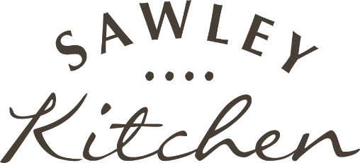
Corporate Order Form

Please complete this form and return it to us via email to info@sawleykitchen.co.uk.
We will then provide an invoice along with delivery timescales. Delivery is charged at a flat rate of £6 per item. To qualify for a Corporate Discount the order total needs to meet the minimum before postage is added. For example: to reach the 7.5% discount threshold you would need to order 15 Gift Boxes as this totals the £250 minmum before postage is added.
If you require any assistance, please do not hesitate to contact us on 01765 607 010

 | OVERVIEW |  | CORPORATE DISCOUNTS
 | Company |  | 7.5% on orders £250+
 | Telephone Number |  | 10% on orders £500+
 | Contact Name |  | 12.5% on orders £1,000+
 | Email |  | *Order total to meet the minimum before postage is applied
 | Order Date

 | ORDER BREAKDOWN
 | PRODUCT TYPE | DELIVERY CONTACT NAME | GIFT MESSAGE | FULL DELIVERY ADDRESS
Example | Shortbread Gift Box (Classic) - £17 (£6 postage) = £23 | Joe Bloggs | Thanks for your hard work this year, hope you enjoy! | 1 Diagon Alley, Harrogate, North Yorkshire, HG1 1AF
1
2
3
4
5
6
7
8
9
10
11
12
13
14
15
16
17
18
19
20

 | Tea & Biscuit Gift Bag - £13 (£4 postage) = £17
 | Shortbread Gift Box (Classic) - £17 (£4 postage) = £21
 | Shortbread Gift Box (Christmas) - £17 (£4 postage) = £21
 | Brimham Hamper - £19.95 (£7 postage) = £26.95
 | Baker's Dozen Hamper - £42.50 (£7 postage) = £49.50
 | Ultimate Box - £70 (£7 postage) = £77

Products
PRODUCT LIST
*Prices are exclusive of shipping, which will be added to the invoice

TEA & BISCUIT GIFT BAG | CLASSIC SHORTBREAD GIFT BOX | FLAVOURS OF CHRISTMAS SHORTBREAD GIFT BOX | BRIMHAM HAMPER | BAKERS DOZEN HAMPER | ULTIMATE BOX
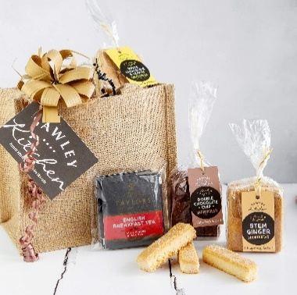
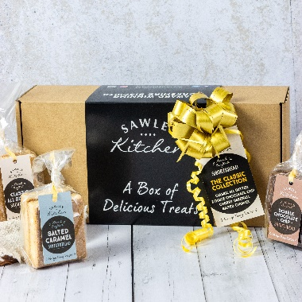
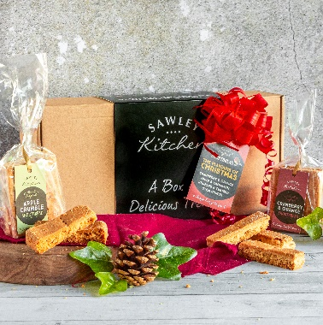
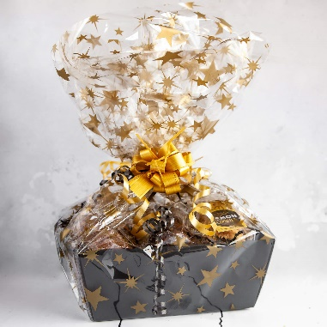
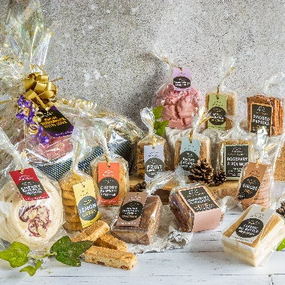
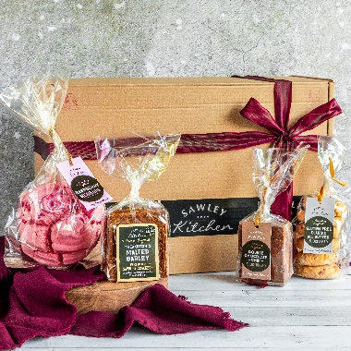

£13.00 | £17.00 | £17.00 | £19.95 | £42.50 | £70.00
_ Includes 3 packets of shortbread & 6 sachets of Yorkshire Tea _ | _ Includes 4 packets of our bestselling flavoured shortbread _ | _ Includes 4 packets of Christmas flavoured shortbread _ | _ Includes 5 packets consisting of a seasonal selection of all products _ | _ Includes 13 packets consisting of a seasonal selection of all products _ | _ Includes 24 packets consisting of a seasonal selection of all products _
Presented in a natural padded jute bag & finished with a bow ribbon and gift tag with handwritten note | Displayed beautifully in a box, wrapped inside with bronze tissue. Finished with a bow ribbon and gift tag with handwritten note | Displayed beautifully in a box, wrapped inside with bronze tissue. Finished with a bow ribbon and gift tag with handwritten note | Nestled in a luxury box, wrapped in a gold star cellophane, finished with a bow ribbon and gift tag with handwritten note | Nestled in a luxury box, wrapped in a gold star cellophane, finished with a bow ribbon and gift tag with handwritten note | Displayed beautifully in a box, wrapped inside with bronze tissue. Finished with a bow ribbon and handwritten postcard note
 |  | _
 |  | Only available Nov/Dec

